Defect report
Defect ID | Defect Summary | Laptop Device/Version No. | Step | Test Data | Defect types | Defect Severity | Defect Priority | Screenshot/Video
1 | check that erase any part of drawing on photo | DELL-22H2 | 1) https://web.whatsapp.com/ 2)press enter key 3)click on download button 4)click on install button 5)click on open button 6)click on get started button 7)log in with phone number / QR code 8)click on camera 9)click on take a photo 10)click on edit option 11)click on bollpoint pen 12)click on the color 13)click on size 14)click on pencile 15)click on the color 16)click on the size 17)click on highliter 18)click on highlier color 19)click on size 20)click on eraser | NA | FUNCTIONALITY | Medium | Medium | 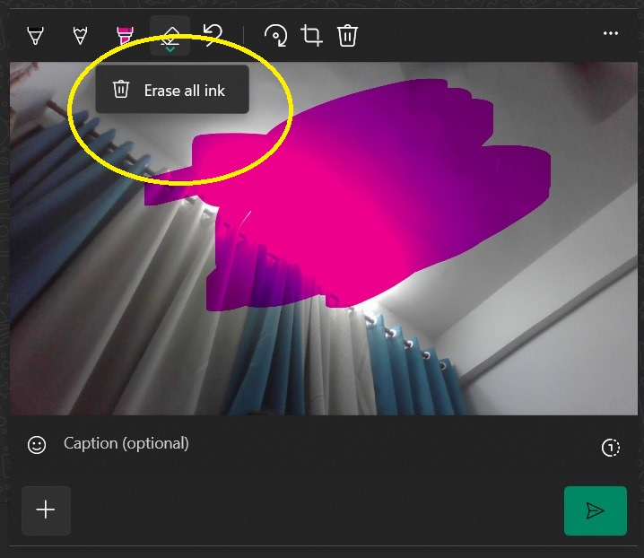
2 | check redo | DELL-22H2 | 1) https://web.whatsapp.com/ 2)press enter key 3)click on download button 4)click on install button 5)click on open button 6)click on get started button 7)log in with phone number / QR code 8)click on camera 9)click on take a photo 10)click on edit option 11)click on bollpoint pen 12)click on the color 13)click on size 14)click on pencile 15)click on the color 16)click on the size 17)click on highliter 18)click on highlier color 19)click on size 20)click on eraser 21)click on crop 22)click on undo | NA | GUI | High | Medium | 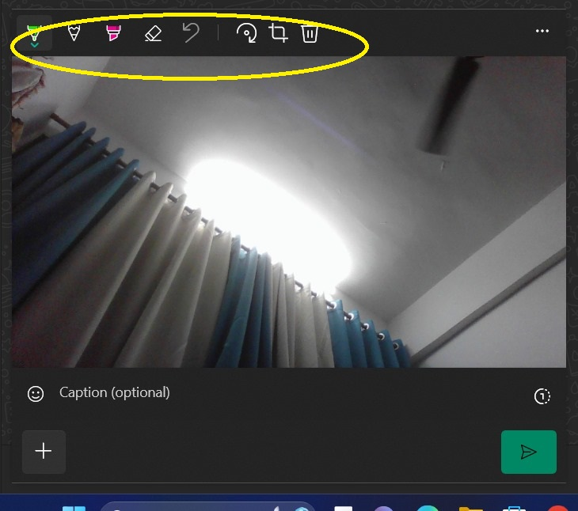
3 | check add sticker on photo | DELL-22H2 | 1) https://web.whatsapp.com/ 2)press enter key 3)click on download button 4)click on install button 5)click on open button 6)click on get started button 7)log in with phone number / QR code 8)click on camera 9)click on take a photo 10)click on edit option 11)click on bollpoint pen 12)click on the color 13)click on size 14)click on pencile 15)click on the color 16)click on the size 17)click on highliter 18)click on highlier color 19)click on size 20)click on eraser 21)click on crop 22)click on undo | NA | GENRAL FUNCTIONALITY | Low | Low
4 | check add emoji on photo | DELL-22H2 | 1) https://web.whatsapp.com/ 2)press enter key 3)click on download button 4)click on install button 5)click on open button 6)click on get started button 7)log in with phone number / QR code 8)click on camera 9)click on take a photo 10)click on edit option 11)click on bollpoint pen 12)click on the color 13)click on size 14)click on pencile 15)click on the color 16)click on the size 17)click on highliter 18)click on highlier color 19)click on size 20)click on eraser 21)click on crop 22)click on undo | NA | GENRAL FUNCTIONALITY | Low | Low
5 | check we add color in text (under the photo) | DELL-22H2 | 1) https://web.whatsapp.com/ 2)press enter key 3)click on download button 4)click on install button 5)click on open button 6)click on get started button 7)log in with phone number / QR code 8)click on camera 9)click on take a photo 10)click on draw option 11)click on sticker/emoji option 12) click on add text 13)click on drawing option 14)click on blur option 15)click on undo 16)click on add text (under the photo/image) | NA | GUI | Low | Low | 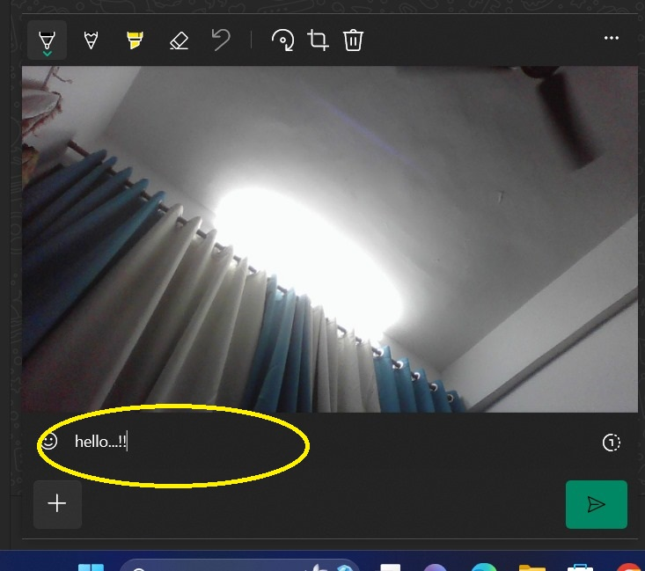
6 | check video timeduration | DELL-22H2 | 1) https://web.whatsapp.com/ 2)press enter key 3)click on download button 4)click on install button 5)click on open button 6)click on get started button 7)log in with phone number / QR code 8)click on camera 9)click on take a photo 10)click on draw option 11)click on sticker/emoji option 12) click on add text 13)click on drawing option 14)click on blur option 15)click on undo 16)click on add text (under the photo/image) 17)click on send button 18)click on camera 19)click on retake video option | NA | FUNCTIONALITY | Medium | High | 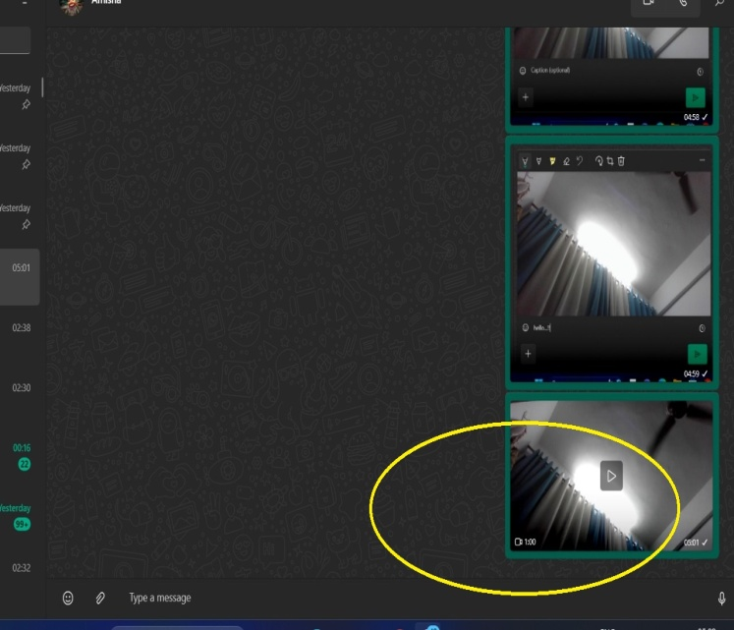
7 | check draw option on video | DELL-22H2 | 1) https://web.whatsapp.com/ 2)press enter key 3)click on download button 4)click on install button 5)click on open button 6)click on get started button 7)log in with phone number / QR code 8)click on camera 9)click on take a photo 10)click on draw option 11)click on sticker/emoji option 12) click on add text 13)click on drawing option 14)click on blur option 15)click on undo 16)click on add text (under the photo/image) 17)click on send button 18)click on camera 19)click on retake video option 20)click on edit option 21)click on adjust the video crop 22)click on GIF 23)click on caption 24)click on emoji option 25)click on search emoji 26)click go back | NA | GUI | Low | Medium | 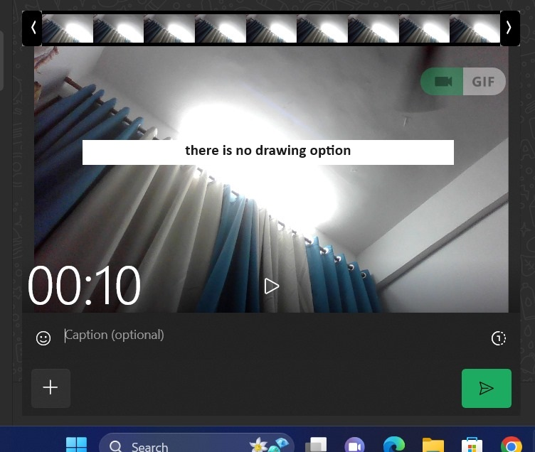
8 | check add status | DELL-22H2 | 1) https://web.whatsapp.com/ 2)press enter key 3)click on download button 4)click on install button 5)click on open button 6)click on get started button 7)log in with phone number / QR code 8)click on camera 9)click on status option 10)click on profile pic | NA | GENRAL FUNCTIONALITY | High | High | 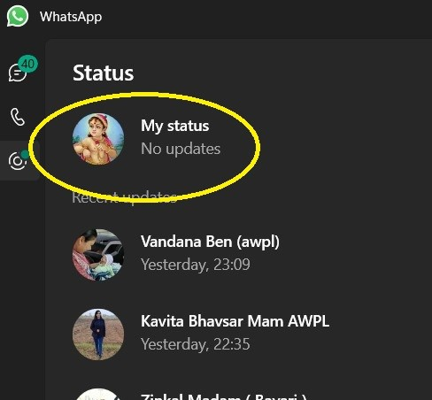
9 | check that it show the no. Of status uploaded | DELL-22H2 | 1) https://web.whatsapp.com/ 2)press enter key 3)click on download button 4)click on install button 5)click on open button 6)click on get started button 7)log in with phone number / QR code 8)click on camera 9)click on status option 10)click on status which show there | NA | FUNCTIONALITY | Medium | Medium | 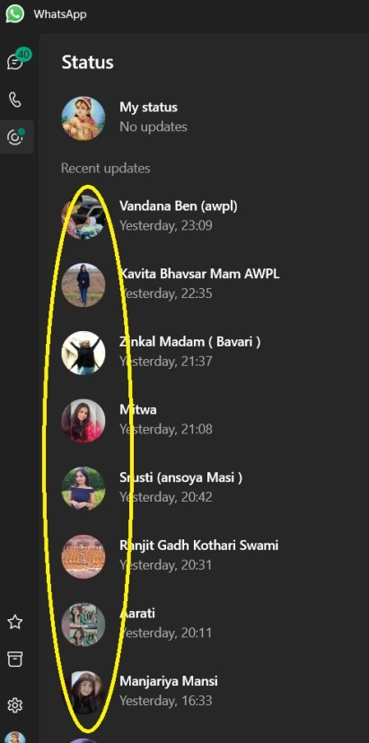

WhatsApp group Defect report
Defect ID | Defect Summary | Mobile Device/Version No. | Step | Test Data | Defect types | Defect Severity | Defect Priority | Screenshot/ Video
1 | while we type a message after living space and then send it's not delivered as we type, it's remove the space | Vivo Y35 | 1)click on given URL 2) click on install button 3)click on open button 4)click on menu 5)click on new group 6)click add number 7)click on search name or number 8)group name 9)click on group dp 10)click on disappearing messages 11)click on group permission 12)click on message | type: Hello...!! | Text formatting Defect | low | low | 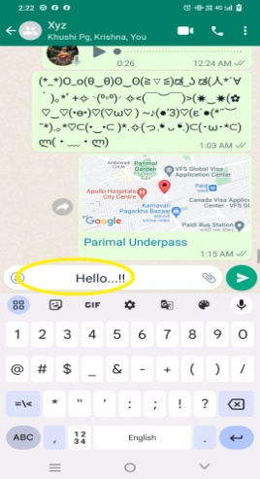 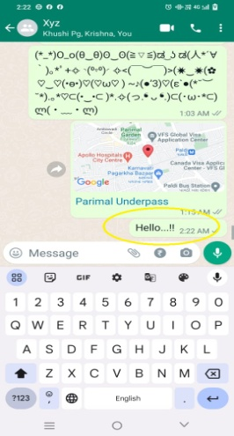
2 | while we type a emoji after living space and then send it's not delivered as we type | Vivo Y35 | 1)click on given URL 2) click on install button 3)click on open button 4)click on menu 5)click on new group 6)click add number 7)click on search name or number 8)group name 9)click on group dp 10)click on disappearing messages 11)click on group permission 12)click on message 13)click on emoji bar | type: (symbol of emoji) | Text formatting Defect | low | low | 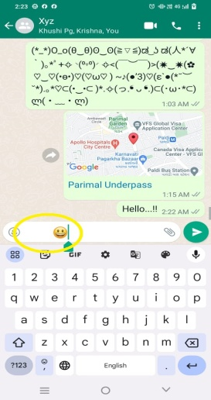 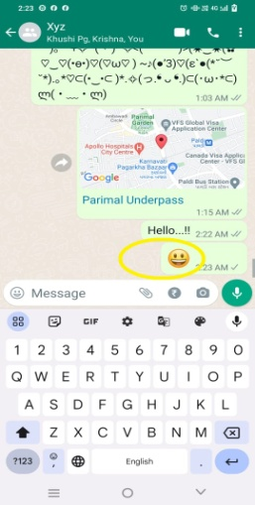
3 | while we type emoticons and send them it's not send properly , sometimes half emoticons is in 1st line and half in 2nd | Vivo Y35 | 1)click on given URL 2) click on install button 3)click on open button 4)click on menu 5)click on new group 6)click add number 7)click on search name or number 8)group name 9)click on group dp 10)click on disappearing messages 11)click on group permission 12)click on message 13)click on emoji bar 14)click on emotics | Type: (emoticons) | Display Defect | High | High | 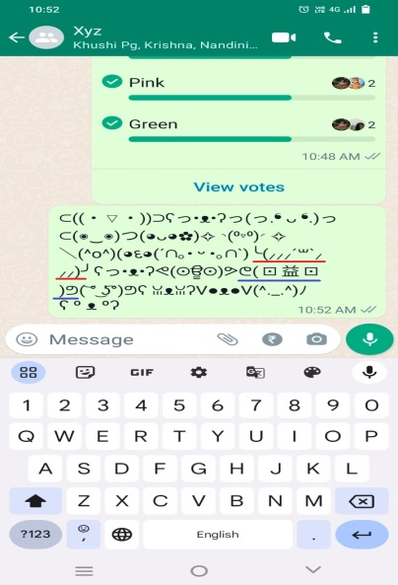
4 | we can not change text in different style | Vivo Y35 | 1)click on given URL 2) click on install button 3)click on open button 4)click on menu 5)click on new group 6)click add number 7)click on search name or number 8)group name 9)click on group dp 10)click on disappearing messages 11)click on group permission 12)click on message | NA | Functional Defect | low | low | 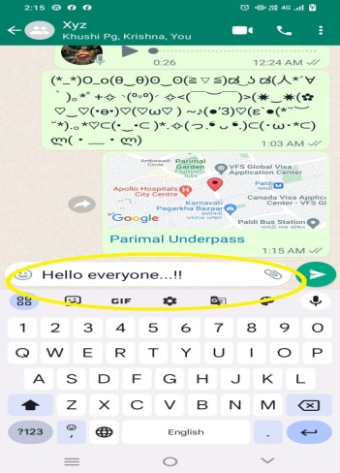
5 | we can not add color in text message | Vivo Y35 | 1)click on given URL 2) click on install button 3)click on open button 4)click on menu 5)click on new group 6)click add number 7)click on search name or number 8)group name 9)click on group dp 10)click on disappearing messages 11)click on group permission 12)click on message | NA | Functional Defect | low | low
6 | while we type a emoji there is shows edited big size emoji but not shows same emoji, that's why we dont able to send that perticular emoji in big size | Vivo Y35 | 1)click on given URL 2) click on install button 3)click on open button 4)click on menu 5)click on new group 6)click add number 7)click on search name or number 8)group name 9)click on group dp 10)click on disappearing messages 11)click on group permission 12)click on message 13) type any emoji from key board | type: (sysmbol of the emoji) | Syggestion mismatch defect | low | low | 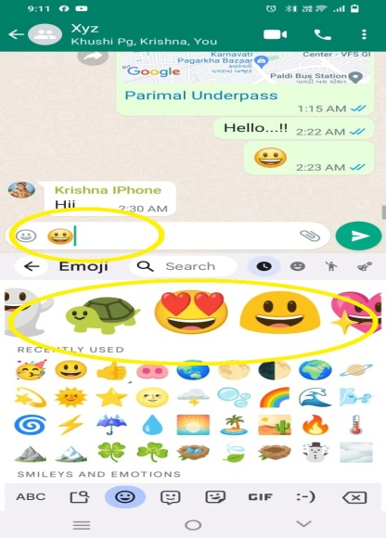
7 | we can not select multipale stickers at once | Vivo Y35 | 1)click on given URL 2) click on install button 3)click on open button 4)click on menu 5)click on new group 6)click add number 7)click on search name or number 8)group name 9)click on group dp 10)click on disappearing messages 11)click on group permission 12)click on message 13)click on sticker option | NA | Functional Defect | low | low | 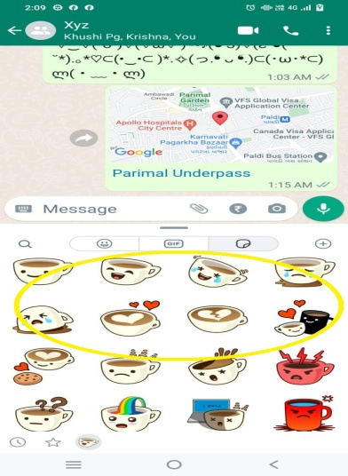
8 | we can not select multipale GIF at once | Vivo Y35 | 1)click on given URL 2) click on install button 3)click on open button 4)click on menu 5)click on new group 6)click add number 7)click on search name or number 8)group name 9)click on group dp 10)click on disappearing messages 11)click on group permission 12)click on message 13)click on sticker option 14)click on back 15)click on GIF | NA | Functional Defect | low | low | 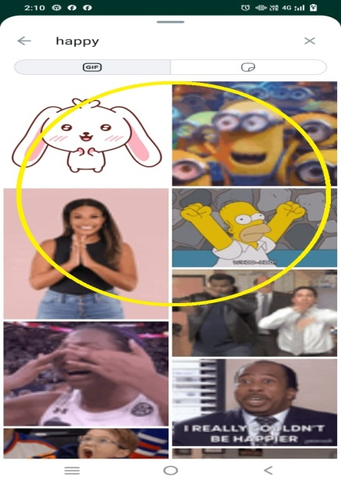
9 | we can't send browse document files more than 2GB in size | Vivo Y35 | 1)click on given URL 2) click on install button 3)click on open button 4)click on menu 5)click on new group 6)click add number 7)click on search name or number 8)group name 9)click on group dp 10)click on disappearing messages 11)click on group permission 12)click on message 13)click on sticker option 14)click on back 15)click on GIF 16)click on back 17)click on pin 18)click on document 19)select document | NA |  | Medium | High | 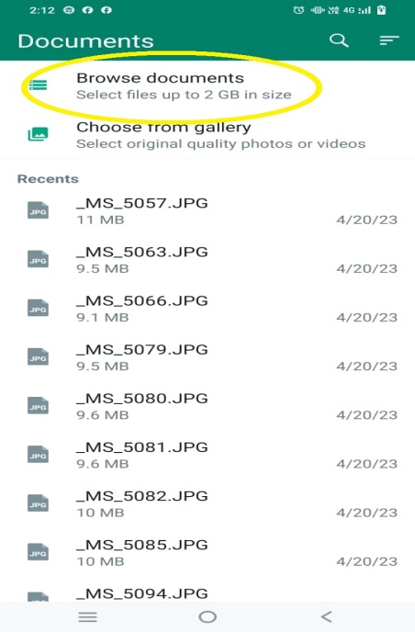
10 | we can't save photo without sending it | Vivo Y35 | 1)click on given URL 2) click on install button 3)click on open button 4)click on menu 5)click on new group 6)click add number 7)click on search name or number 8)group name 9)click on group dp 10)click on disappearing messages 11)click on group permission 12)click on message 13)click on sticker option 14)click on back 15)click on GIF 16)click on back 17)click on pin 18)click on document 19)select document 20) click on back 21)click on camera option | NA | Functional Defect | Medium | Medium | 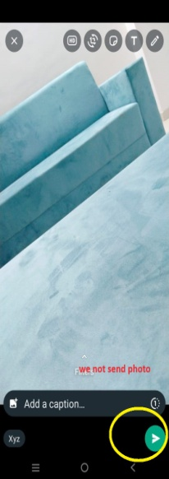 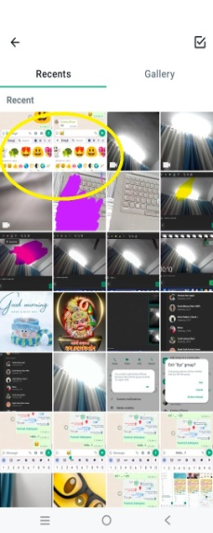
11 | while we put the sticker on photo and resize it's cover all of the sacreen , there is no limit in incresing the sticker size | Vivo Y35 | 1)click on given URL 2) click on install button 3)click on open button 4)click on menu 5)click on new group 6)click add number 7)click on search name or number 8)group name 9)click on group dp 10)click on disappearing messages 11)click on group permission 12)click on message 13)click on sticker option 14)click on back 15)click on GIF 16)click on back 17)click on pin 18)click on document 19)select document 20) click on back 21)click on camera option 22)take a photo 23)click on sticker option 24)click on sticker | NA | Functional Defect | Medium | Medium | 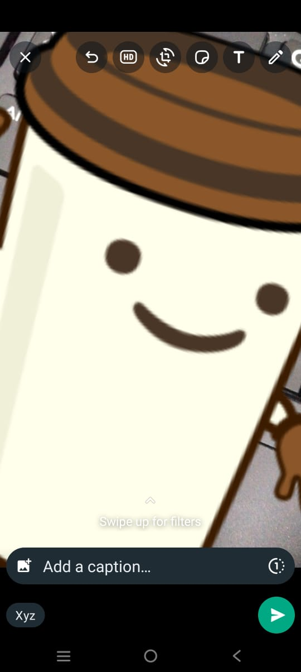
12 | while we put 2 stickers on photo, we can overlape 2nd sticker on 1st but we can't overlape 1st on 2nd | Vivo Y35 | 1)click on given URL 2) click on install button 3)click on open button 4)click on menu 5)click on new group 6)click add number 7)click on search name or number 8)group name 9)click on group dp 10)click on disappearing messages 11)click on group permission 12)click on message 13)click on sticker option 14)click on back 15)click on GIF 16)click on back 17)click on pin 18)click on document 19)select document 20) click on back 21)click on camera option 22)take a photo 23)click on sticker option 24)click on sticker | NA | Functional Defect | low | Medium | 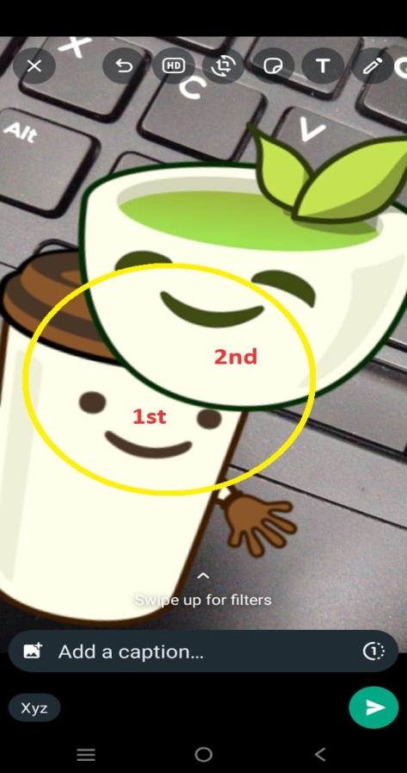
13 | while we put the emoji on photo and resize it's cover all of the sacreen , there is no limit in incresing the sticker size | Vivo Y35 | 1)click on given URL 2) click on install button 3)click on open button 4)click on menu 5)click on new group 6)click add number 7)click on search name or number 8)group name 9)click on group dp 10)click on disappearing messages 11)click on group permission 12)click on message 13)click on sticker option 14)click on back 15)click on GIF 16)click on back 17)click on pin 18)click on document 19)select document 20) click on back 21)click on camera option 22)take a photo 23)click on sticker option 24)click on sticker 25)click on sticker and drage to remove 26)click on emoji option 27)click on emoji | NA | Functional Defect | Medium | Medium | 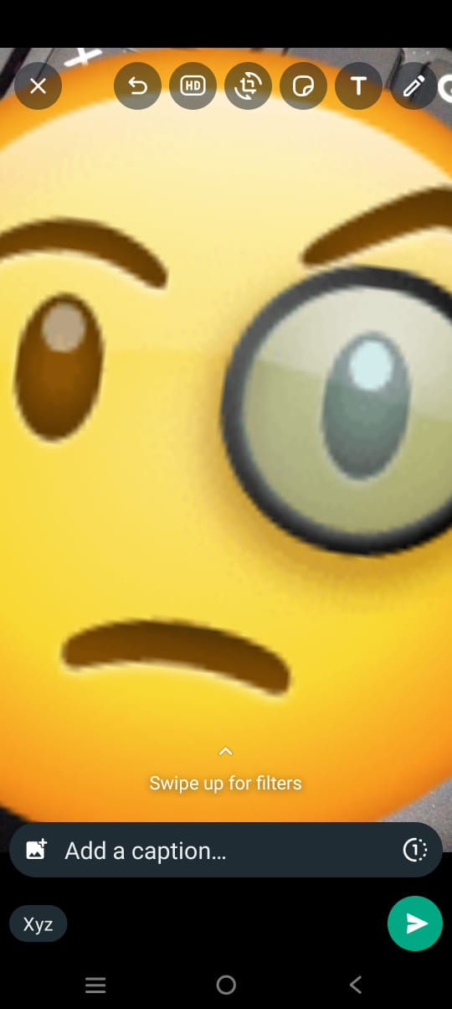
14 | while we put the 2 emoji on photo, we can overlape 2nd emoji on 1st but we can't overlape 1st on 2nd | Vivo Y35 | 1)click on given URL 2) click on install button 3)click on open button 4)click on menu 5)click on new group 6)click add number 7)click on search name or number 8)group name 9)click on group dp 10)click on disappearing messages 11)click on group permission 12)click on message 13)click on sticker option 14)click on back 15)click on GIF 16)click on back 17)click on pin 18)click on document 19)select document 20) click on back 21)click on camera option 22)take a photo 23)click on sticker option 24)click on sticker 25)click on sticker and drage to remove 26)click on emoji option 27)click on emoji | NA | Functional Defect | low | Medium | 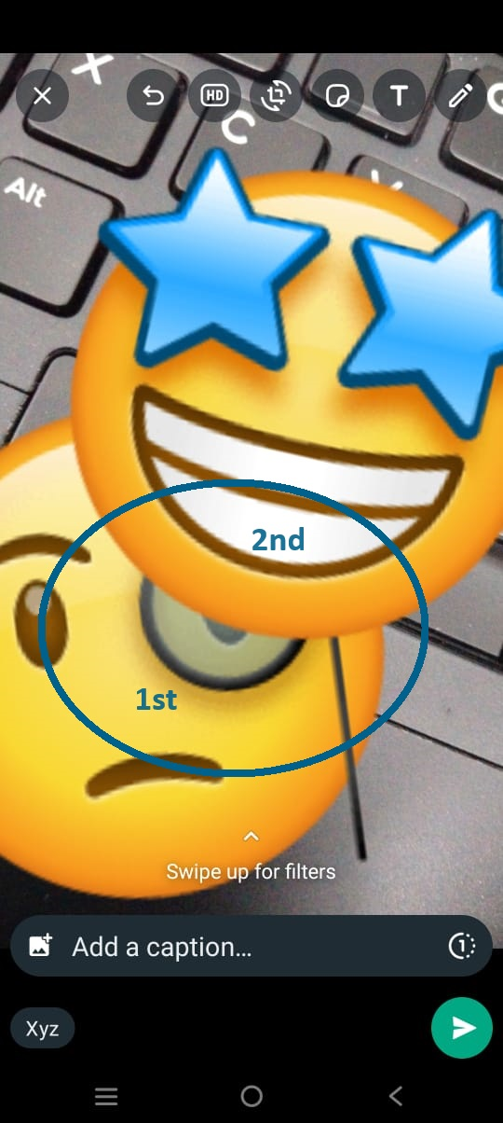
15 | we can't earse particular part of the drawing | Vivo Y35 | 1)click on given URL 2) click on install button 3)click on open button 4)click on menu 5)click on new group 6)click add number 7)click on search name or number 8)group name 9)click on group dp 10)click on disappearing messages 11)click on group permission 12)click on message 13)click on sticker option 14)click on back 15)click on GIF 16)click on back 17)click on pin 18)click on document 19)select document 20) click on back 21)click on camera option 22)take a photo 23)click on sticker option 24)click on sticker 25)click on sticker and drage to remove 26)click on emoji option 27)click on emoji 28)click on emoji and drag it to remove 29)click on drawing option & draw | NA | Functional Defect | low | High | 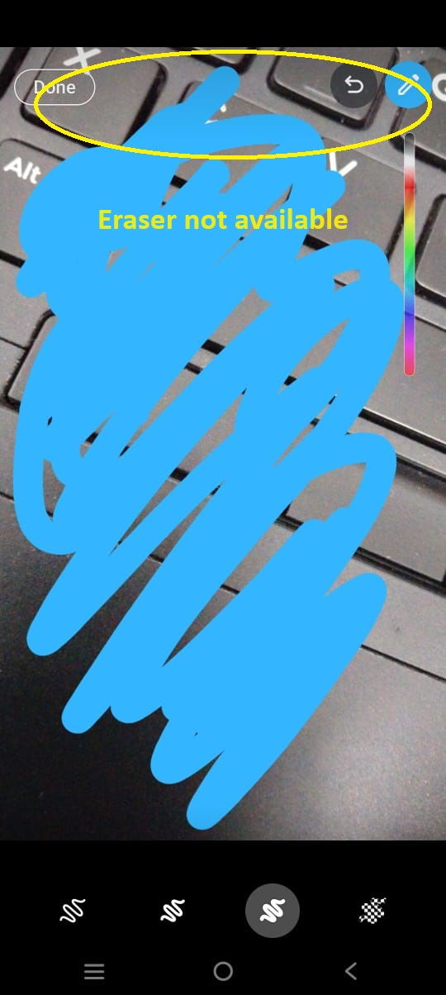
16 | we can undo everything but there is not a redo option available | Vivo Y35 | 1)click on given URL 2) click on install button 3)click on open button 4)click on menu 5)click on new group 6)click add number 7)click on search name or number 8)group name 9)click on group dp 10)click on disappearing messages 11)click on group permission 12)click on message 13)click on sticker option 14)click on back 15)click on GIF 16)click on back 17)click on pin 18)click on document 19)select document 20) click on back 21)click on camera option 22)take a photo 23)click on sticker option 24)click on sticker 25)click on sticker and drage to remove 26)click on emoji option 27)click on emoji 28)click on emoji and drag it to remove 29)click on drawing option & draw 30)click on undo | NA | Functional Defect (Lack of functionality) | low | low | 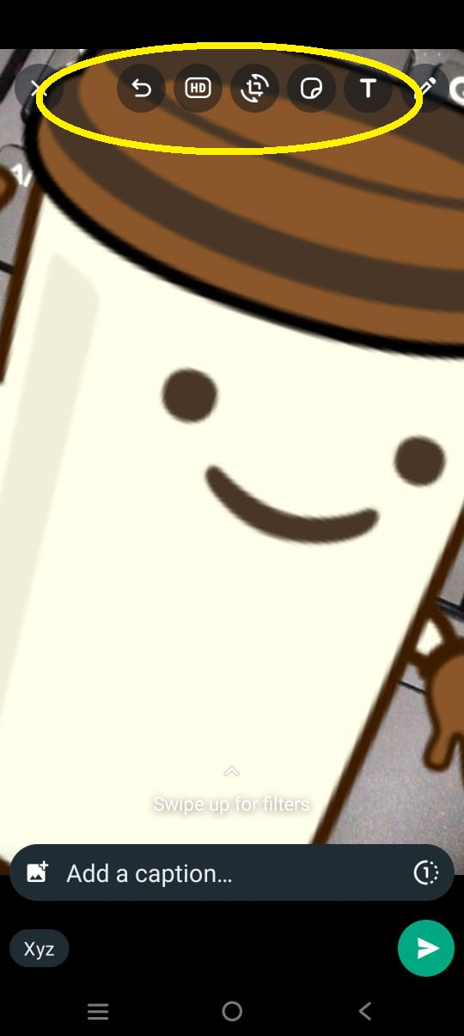
17 | we can't set a photo in view twice mode | Vivo Y35 | 1)click on given URL 2) click on install button 3)click on open button 4)click on menu 5)click on new group 6)click add number 7)click on search name or number 8)group name 9)click on group dp 10)click on disappearing messages 11)click on group permission 12)click on message 13)click on sticker option 14)click on back 15)click on GIF 16)click on back 17)click on pin 18)click on document 19)select document 20) click on back 21)click on camera option 22)click on photo sending mode | NA | Functional Defect (Lack of functionality) | low | low | 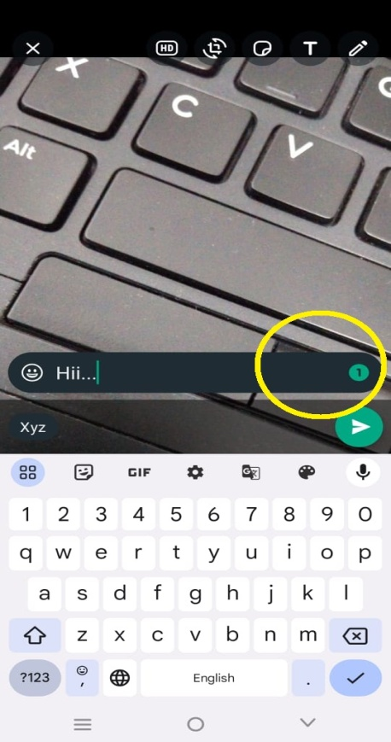
18 | while we select two or more than two photos we can not set it in 'one time see' mood | Vivo Y35 | 1)click on given URL 2) click on install button 3)click on open button 4)click on menu 5)click on new group 6)click add number 7)click on search name or number 8)group name 9)click on group dp 10)click on disappearing messages 11)click on group permission 12)click on message 13)click on sticker option 14)click on back 15)click on GIF 16)click on back 17)click on pin 18)click on document 19)select document 20) click on back 21)click on camera option 22)take two photos | NA | Functional Defect (Lack of functionality) | low | low | 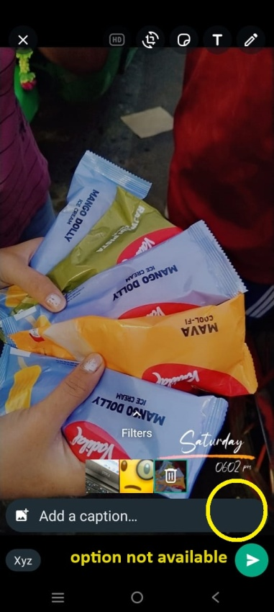
19 | we cannot able to add color in 'add a caption' text | Vivo Y35 | 1)click on given URL 2) click on install button 3)click on open button 4)click on menu 5)click on new group 6)click add number 7)click on search name or number 8)group name 9)click on group dp 10)click on disappearing messages 11)click on group permission 12)click on message 13)click on sticker option 14)click on back 15)click on GIF 16)click on back 17)click on pin 18)click on document 19)select document 20) click on back 21)click on camera & take photo 22)click on add a caption | NA | Functional Defect | low | low | 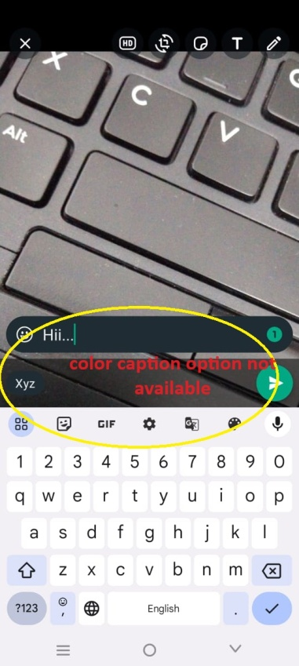
20 | while we choose 2 photos for send then we can not able to set 2nd photo in HD | Vivo Y35 | 1)click on given URL 2) click on install button 3)click on open button 4)click on menu 5)click on new group 6)click add number 7)click on search name or number 8)group name 9)click on group dp 10)click on disappearing messages 11)click on group permission 12)click on message 13)click on sticker option 14)click on back 15)click on GIF 16)click on back 17)click on pin 18)click on document 19)select document 20) click on back 21)click on camera option 22)take two photos 23)click on HD | NA | Functional Defect | low | low | 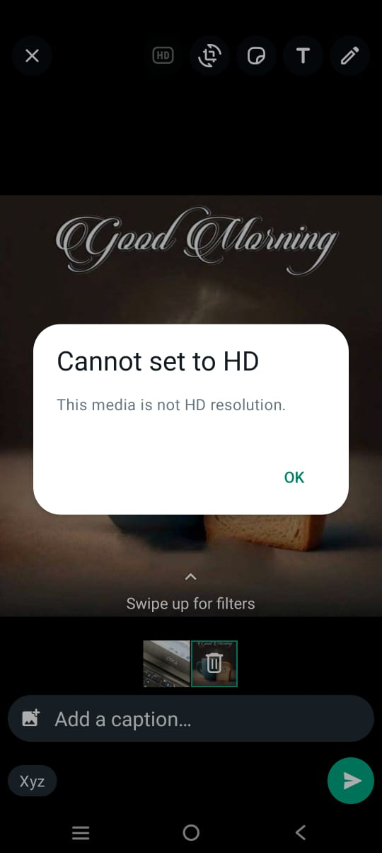
21 | while we choose two/three photos ,we can't interchange the selected photos | Vivo Y35 | 1)click on given URL 2) click on install button 3)click on open button 4)click on menu 5)click on new group 6)click add number 7)click on search name or number 8)group name 9)click on group dp 10)click on disappearing messages 11)click on group permission 12)click on message 13)click on sticker option 14)click on back 15)click on GIF 16)click on back 17)click on pin 18)click on document 19)select document 20) click on back 21)click on camera option 22)take two photos | NA | Functional Defect | Medium | low | 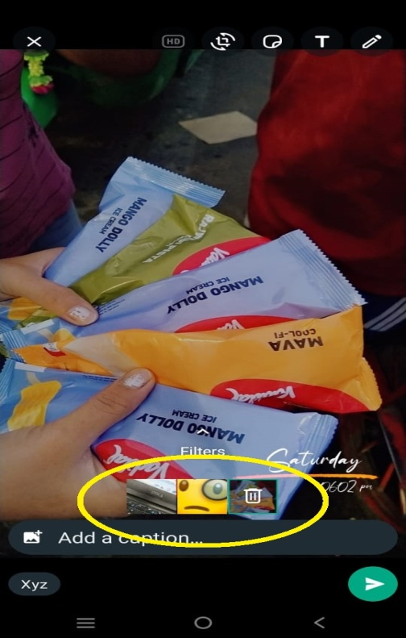
22 | we can not set the video in HD | Vivo Y35 | 1)click on given URL 2) click on install button 3)click on open button 4)click on menu 5)click on new group 6)click add number 7)click on search name or number 8)group name 9)click on group dp 10)click on disappearing messages 11)click on group permission 12)click on message 13)click on sticker option 14)click on back 15)click on GIF 16)click on back 17)click on pin 18)click on document 19)select document 20) click on back 21)click on camera & take a video | NA | Functional Defect | low | low | 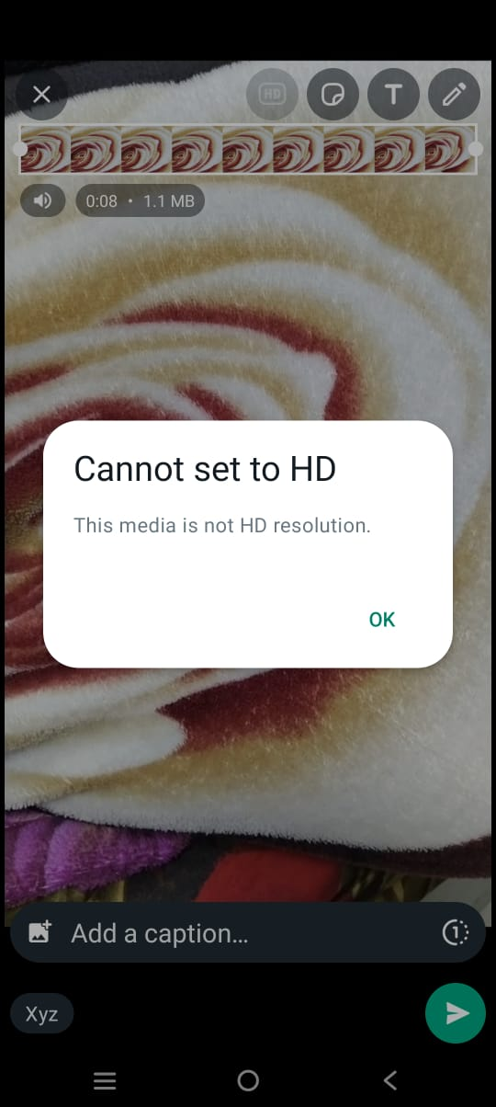
23 | there is no size limit in sticker, when we put the sticker on video and adjust it's size it cover all of the screen | Vivo Y35 | 1)click on given URL 2) click on install button 3)click on open button 4)click on menu 5)click on new group 6)click add number 7)click on search name or number 8)group name 9)click on group dp 10)click on disappearing messages 11)click on group permission 12)click on message 13)click on sticker option 14)click on back 15)click on GIF 16)click on back 17)click on pin 18)click on document 19)select document 20) click on back 21)click on camera & take a video 22)click on sticker option & add sticker | NA | Functional Defect | Medium | Medium | 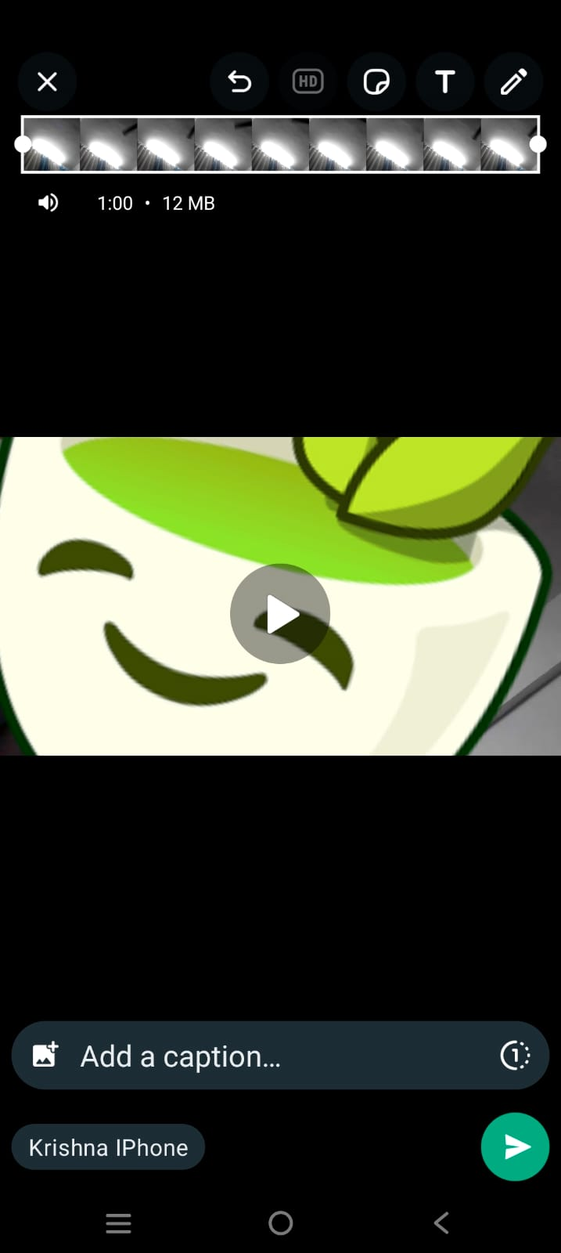
24 | while we put 2 stickers on video, we can overlape 2nd sticker on 1st sticker but we can't overlape 1st on 2nd | Vivo Y35 | 1)click on given URL 2) click on install button 3)click on open button 4)click on menu 5)click on new group 6)click add number 7)click on search name or number 8)group name 9)click on group dp 10)click on disappearing messages 11)click on group permission 12)click on message 13)click on sticker option 14)click on back 15)click on GIF 16)click on back 17)click on pin 18)click on document 19)select document 20) click on back 21)click on camera & take a video 22)click on sticker option & add sticker | NA | Functional Defect | low | Medium | 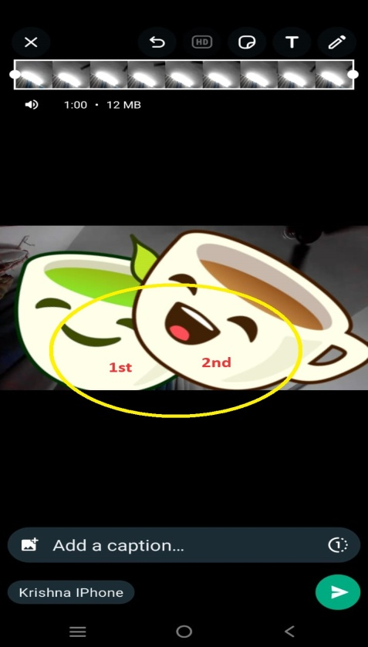
25 | there is no size limit in emoji, when we put the emoji on video and adjust it's size it cover all of the screen | Vivo Y35 | 1)click on given URL 2) click on install button 3)click on open button 4)click on menu 5)click on new group 6)click add number 7)click on search name or number 8)group name 9)click on group dp 10)click on disappearing messages 11)click on group permission 12)click on message 13)click on sticker option 14)click on back 15)click on GIF 16)click on back 17)click on pin 18)click on document 19)select document 20) click on back 21)click on camera & take a video 22)click on sticker option & add emoji | NA | Functional Defect | Medium | Medium | 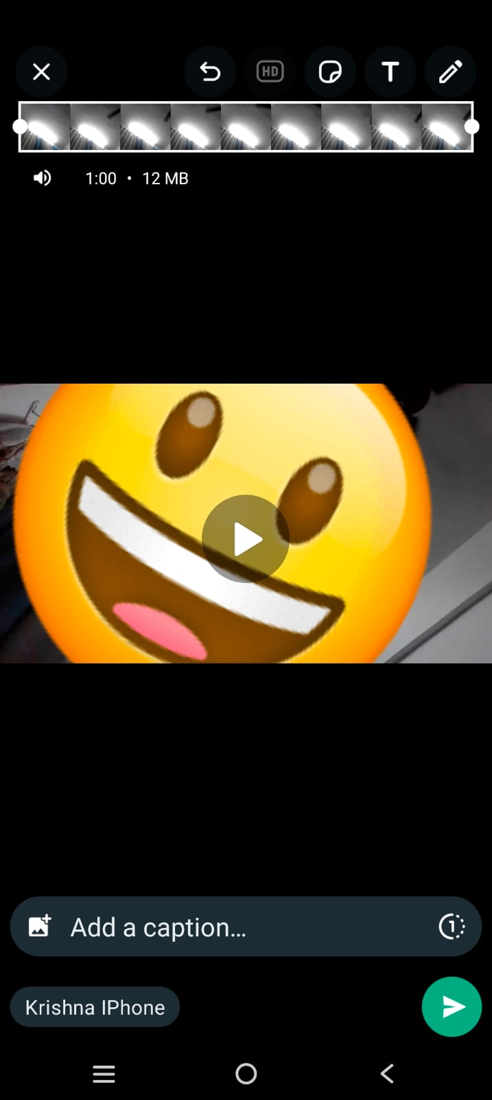
26 | while we put 2 emoji on video, we can overlape 2nd emoji on 1st emoji but we can't overlape 1st on 2nd | Vivo Y35 | 1)click on given URL 2) click on install button 3)click on open button 4)click on menu 5)click on new group 6)click add number 7)click on search name or number 8)group name 9)click on group dp 10)click on disappearing messages 11)click on group permission 12)click on message 13)click on sticker option 14)click on back 15)click on GIF 16)click on back 17)click on pin 18)click on document 19)select document 20) click on back 21)click on camera & take a video 22)click on sticker option & add emojis | NA | Functional Defect | low | Medium | 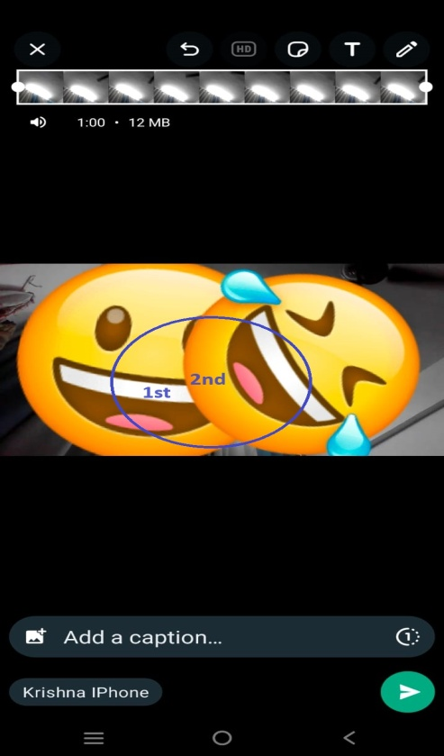
27 | we can not blur any particular part in video. | Vivo Y35 | 1)click on given URL 2) click on install button 3)click on open button 4)click on menu 5)click on new group 6)click add number 7)click on search name or number 8)group name 9)click on group dp 10)click on disappearing messages 11)click on group permission 12)click on message 13)click on sticker option 14)click on back 15)click on GIF 16)click on back 17)click on pin 18)click on document 19)select document 20) click on back 21)click on camera & take a video | NA | Functional Defect | Low | Low | 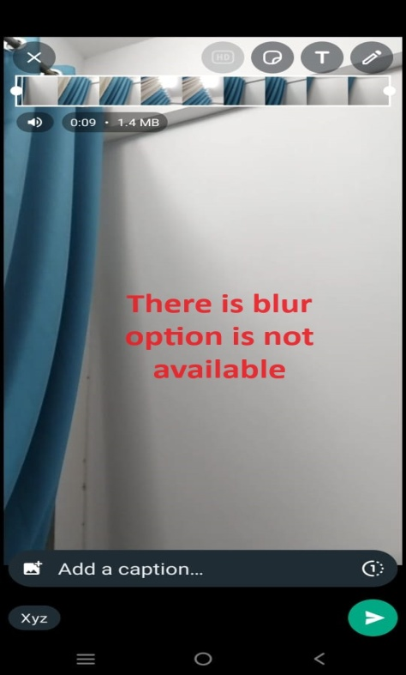
28 | while we select 2/3 videos, we can not interchange them | Vivo Y35 | 1)click on given URL 2) click on install button 3)click on open button 4)click on menu 5)click on new group 6)click add number 7)click on search name or number 8)group name 9)click on group dp 10)click on disappearing messages 11)click on group permission 12)click on message 13)click on sticker option 14)click on back 15)click on GIF 16)click on back 17)click on pin 18)click on document 19)select document 20) click on back 21)click on camera & take a video 22)click on select videos | NA | Functional Defect | Medium | low | 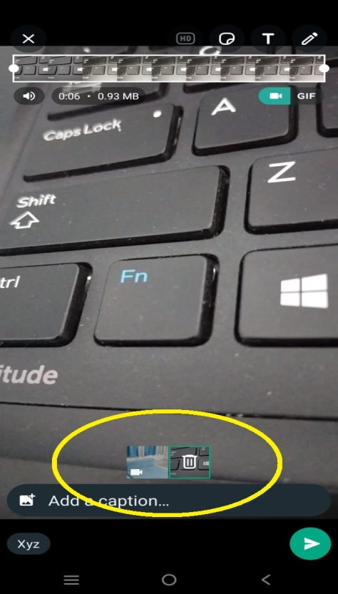
29 | we can not add filter in video | Vivo Y35 | 1)click on given URL 2) click on install button 3)click on open button 4)click on menu 5)click on new group 6)click add number 7)click on search name or number 8)group name 9)click on group dp 10)click on disappearing messages 11)click on group permission 12)click on message 13)click on sticker option 14)click on back 15)click on GIF 16)click on back 17)click on pin 18)click on document 19)select document 20) click on back 21)click on camera & take a video | NA | Functional Defect | low | low | 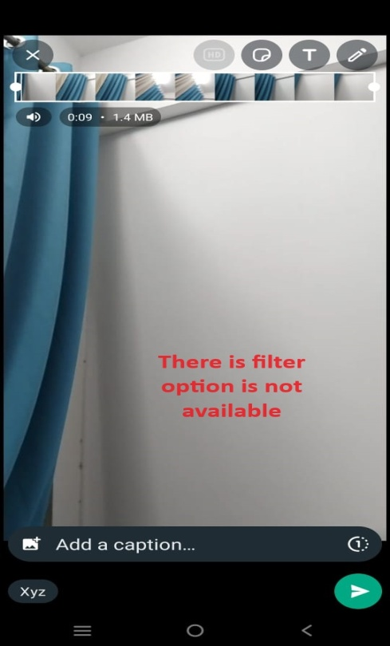
30 | we can not sent video in 'see twice mode' | Vivo Y35 | 1)click on given URL 2) click on install button 3)click on open button 4)click on menu 5)click on new group 6)click add number 7)click on search name or number 8)group name 9)click on group dp 10)click on disappearing messages 11)click on group permission 12)click on message 13)click on sticker option 14)click on back 15)click on GIF 16)click on back 17)click on pin 18)click on document 19)select document 20) click on back 21)click on camera & take a video | NA | Functional Defect (Lack of functionality) | low | low | 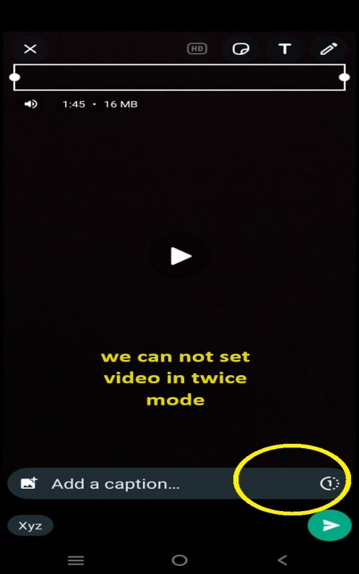
31 | we can not set more than 6 sec video as a GIF | Vivo Y35 | 1)click on given URL 2) click on install button 3)click on open button 4)click on menu 5)click on new group 6)click add number 7)click on search name or number 8)group name 9)click on group dp 10)click on disappearing messages 11)click on group permission 12)click on message 13)click on sticker option 14)click on back 15)click on GIF 16)click on back 17)click on pin 18)click on document 19)select document 20) click on back 21)click on camera & take a video | NA | Functional Defect (Lack of functionality) | low | low | 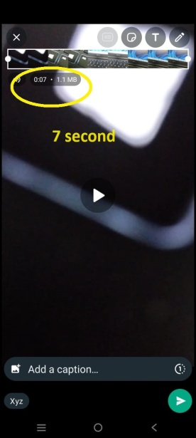 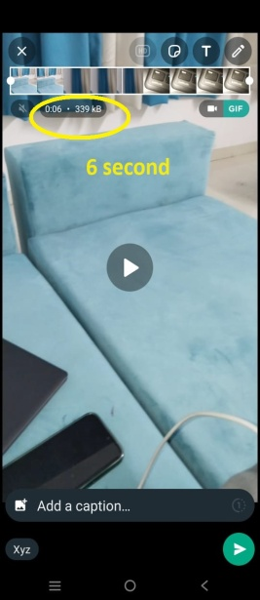
32 | while we change video in GIF it's remove the voice automatically from the it | Vivo Y35 | 1)click on given URL 2) click on install button 3)click on open button 4)click on menu 5)click on new group 6)click add number 7)click on search name or number 8)group name 9)click on group dp 10)click on disappearing messages 11)click on group permission 12)click on message 13)click on sticker option 14)click on back 15)click on GIF 16)click on back 17)click on pin 18)click on document 19)select document 20) click on back 21)click on camera & take a video 22)click on GIF mode | NA | Functional Defect (Lack of functionality) | low | low | 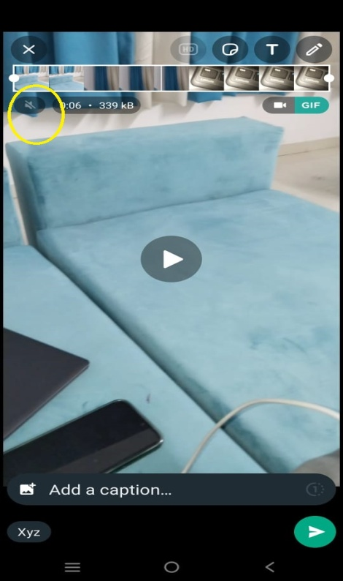
33 | we can not set GIf in HD | Vivo Y35 | 1)click on given URL 2) click on install button 3)click on open button 4)click on menu 5)click on new group 6)click add number 7)click on search name or number 8)group name 9)click on group dp 10)click on disappearing messages 11)click on group permission 12)click on message 13)click on sticker option 14)click on back 15)click on GIF 16)click on back 17)click on pin 18)click on document 19)select document 20) click on back 21)click on camera & take a video 22)click on GIF mode | NA | Functional Defect | low | low | 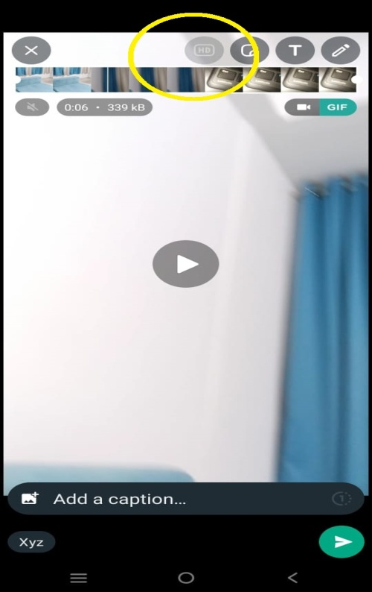
34 | while we take 2 GIF we can not interchange them | Vivo Y35 | 1)click on given URL 2) click on install button 3)click on open button 4)click on menu 5)click on new group 6)click add number 7)click on search name or number 8)group name 9)click on group dp 10)click on disappearing messages 11)click on group permission 12)click on message 13)click on sticker option 14)click on back 15)click on GIF 16)click on back 17)click on pin 18)click on document 19)select document 20) click on back 21)click on camera & take a video 22)click on GIF mode 23)click on select GIF | NA | Functional Defect | Medium | low | 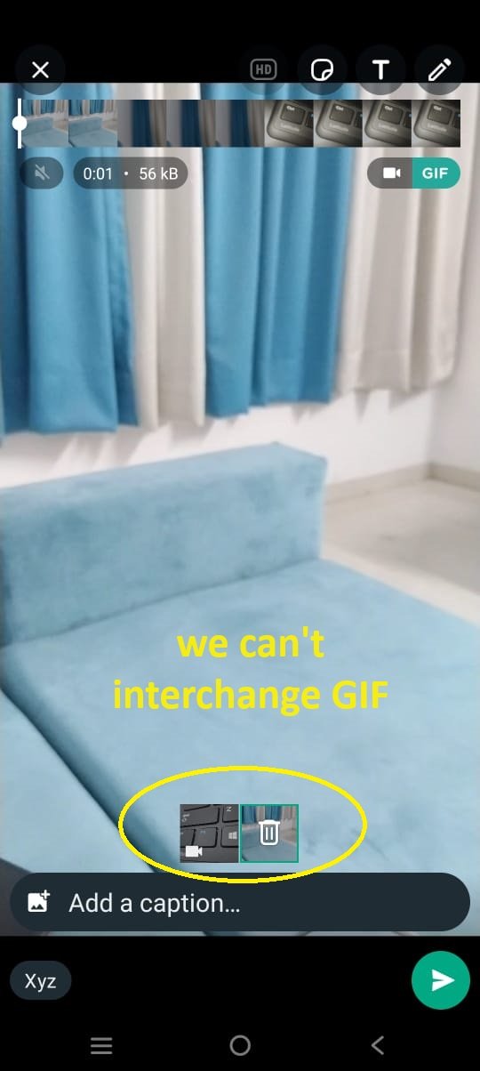
35 | we can not add filter in GIF | Vivo Y35 | 1)click on given URL 2) click on install button 3)click on open button 4)click on menu 5)click on new group 6)click add number 7)click on search name or number 8)group name 9)click on group dp 10)click on disappearing messages 11)click on group permission 12)click on message 13)click on sticker option 14)click on back 15)click on GIF 16)click on back 17)click on pin 18)click on document 19)select document 20) click on back 21)click on camera & take a video 22)click on GIF mode | NA | Functional Defect | low | low | 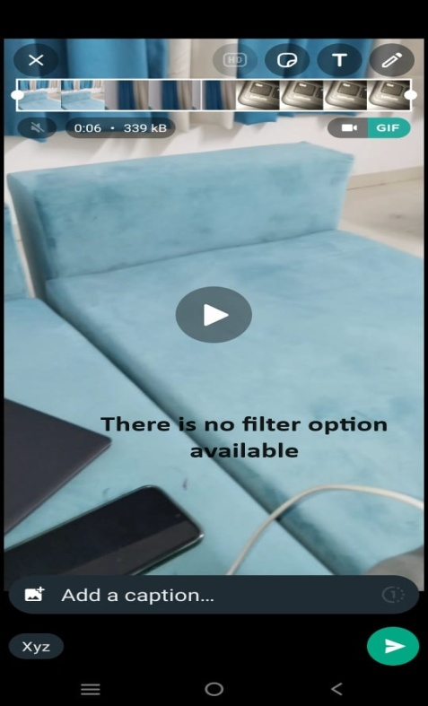
36 | we can not send more than 100 media at once | Vivo Y35 | 1)click on given URL 2) click on install button 3)click on open button 4)click on menu 5)click on new group 6)click add number 7)click on search name or number 8)group name 9)click on group dp 10)click on disappearing messages 11)click on group permission 12)click on message 13)click on sticker option 14)click on back 15)click on GIF 16)click on back 17)click on pin 18)click on gallary option 19)click on select media | NA | Functional Defect | low | low | 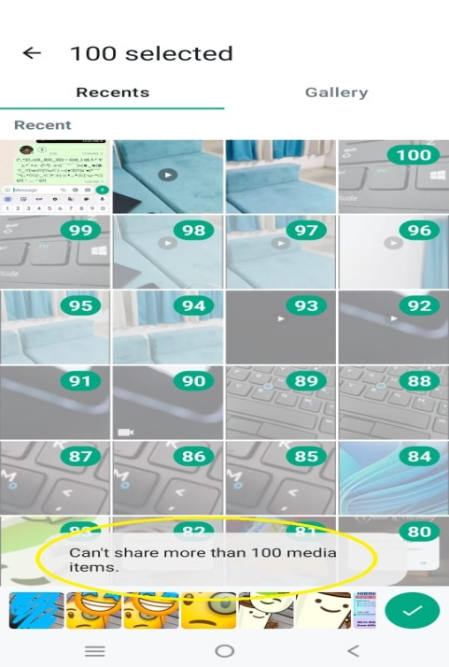
37 | we can't send more than 16mb audio in group | Vivo Y35 | 1)click on given URL 2) click on install button 3)click on open button 4)click on menu 5)click on new group 6)click add number 7)click on search name or number 8)group name 9)click on group dp 10)click on disappearing messages 11)click on group permission 12)click on message 13)click on sticker option 14)click on back 15)click on GIF 16)click on back 17)click on pin 18)click on audio option 19)click on audio | NA | Functional limitation | low | low | 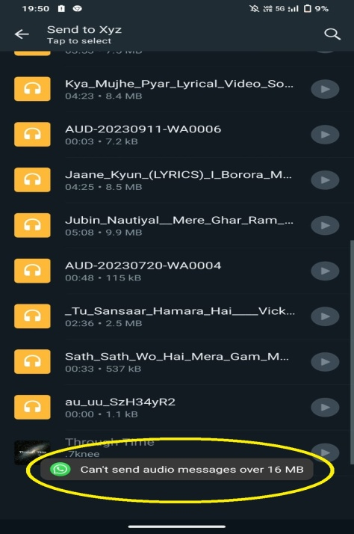
38 | we can't share live location more than 8h and less than 15min | Vivo Y35 | 1)click on given URL 2) click on install button 3)click on open button 4)click on menu 5)click on new group 6)click add number 7)click on search name or number 8)group name 9)click on group dp 10)click on disappearing messages 11)click on group permission 12)click on message 13)click on sticker option 14)click on back 15)click on GIF 16)click on back 17)click on pin 18)click on location 19)click on share live location | NA | Functional limitation | low | Medium | 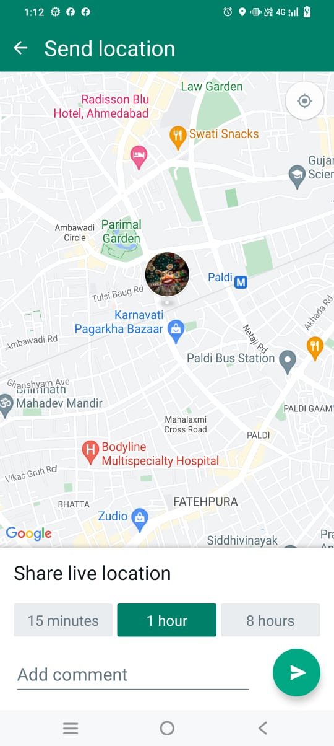
39 | we can't send more than 257 contacts at once | Vivo Y35 | 1)click on given URL 2) click on install button 3)click on open button 4)click on menu 5)click on new group 6)click add number 7)click on search name or number 8)group name 9)click on group dp 10)click on disappearing messages 11)click on group permission 12)click on message 13)click on sticker option 14)click on back 15)click on GIF 16)click on back 17)click on pin 18)click on contact 19)select contacts | NA | Functional limitation | Medium | low | 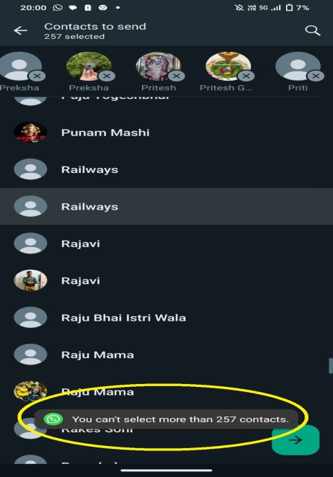
40 | there is limitation in words in poll's question | Vivo Y35 | 1)click on given URL 2) click on install button 3)click on open button 4)click on menu 5)click on new group 6)click add number 7)click on search name or number 8)group name 9)click on group dp 10)click on disappearing messages 11)click on group permission 12)click on message 13)click on sticker option 14)click on back 15)click on GIF 16)click on back 17)click on pin 18)click on Poll 19)click on ask question | NA | Functional limitation | Medium | low | 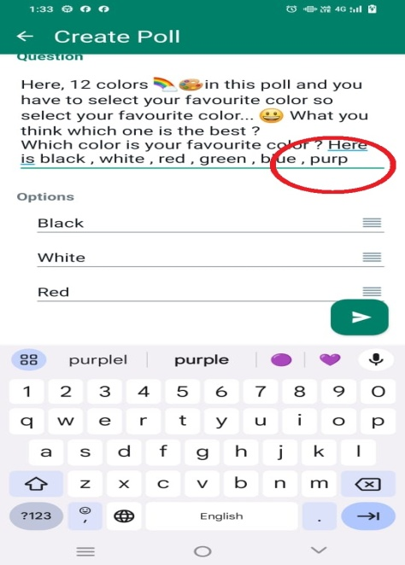
41 | we can't add more than 12 options in poll | Vivo Y35 | 1)click on given URL 2) click on install button 3)click on open button 4)click on menu 5)click on new group 6)click add number 7)click on search name or number 8)group name 9)click on group dp 10)click on disappearing messages 11)click on group permission 12)click on message 13)click on sticker option 14)click on back 15)click on GIF 16)click on back 17)click on pin 18)click on Poll 19)click on ask question 20)add options | NA | Functional limitation | Medium | low | 
42 | there is limitation in words in poll's option | Vivo Y35 | 1)click on given URL 2) click on install button 3)click on open button 4)click on menu 5)click on new group 6)click add number 7)click on search name or number 8)group name 9)click on group dp 10)click on disappearing messages 11)click on group permission 12)click on message 13)click on sticker option 14)click on back 15)click on GIF 16)click on back 17)click on pin 18)click on Poll 19)click on ask question 20)add options 21)click on add | NA | Functional limitation | Medium | low | 
43 | we can't add limitation in select option in poll, either we can allow only one or multiple. We can not set it in any perticular number | Vivo Y35 | 1)click on given URL 2) click on install button 3)click on open button 4)click on menu 5)click on new group 6)click add number 7)click on search name or number 8)group name 9)click on group dp 10)click on disappearing messages 11)click on group permission 12)click on message 13)click on sticker option 14)click on back 15)click on GIF 16)click on back 17)click on pin 18)click on Poll 19)click on ask question 20)add options 21)click on add 22)click on/off button of allow multiple answers | NA | Functional limitation | low | low | 
44 | there is no search option in poll for see the perticulare person's vote | Vivo Y35 | 1)click on given URL 2) click on install button 3)click on open button 4)click on menu 5)click on new group 6)click add number 7)click on search name or number 8)group name 9)click on group dp 10)click on disappearing messages 11)click on group permission 12)click on message 13)click on sticker option 14)click on back 15)click on GIF 16)click on back 17)click on pin 18)click on Poll 19)click on ask question 20)add options 21)click on add 22)click on/off button of allow multiple answers 23)click on send button 24)click on view votes | NA | Functional limitation | low | low | 
45 | while admin exit the group, it's not give any confirmation message for choose next admin and then leave. | Vivo Y35 | 1)click on given URL 2) click on install button 3)click on open button 4)click on menu 5)click on new group 6)click add number 7)click on search name or number 8)group name 9)click on group dp 10)click on disappearing messages 11)click on group permission 12)click on Exit group 13) click on Exit | NA | Functionality gap | Low | High | 

